Introduction
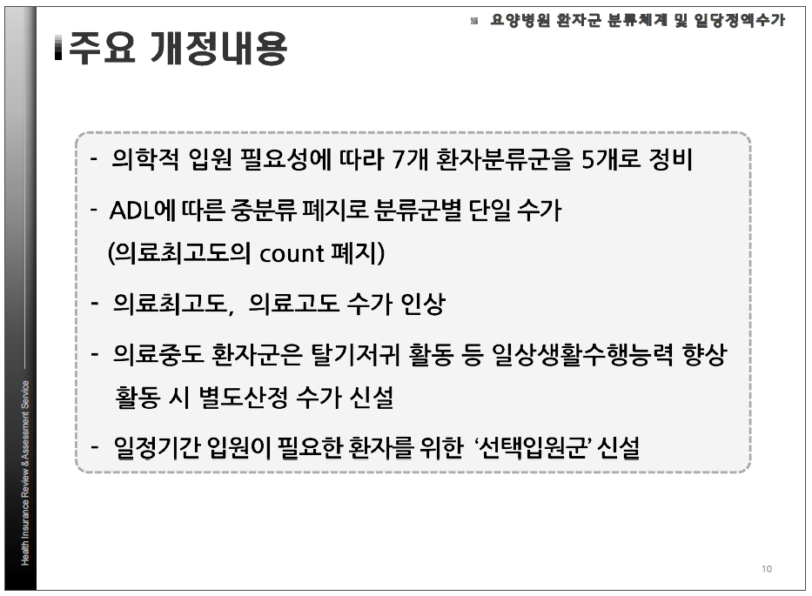
요양병원
장기요양 (재가)
장기요양 (시설)
요양병원
장기요양 (시설)
진단시 연령 65세 이상 고령의 폐암환자
진단 후 2년 이내 치료 없음
진단 후 2년 이내 치료 있음
장기요양 (재가)
Topic | 고령암환자의 암치료와 요양서비스 이용 행태에 따른 생존 예후 차이 비교
Hypothesis | • 암치료와 요양서비스 이용 행태 따른 생존 예후에 차이를 가진다
 | • 암환자는 치료 (직접치료, 완화치료) +의료+장기요양을 중복한다
 | • 암치료 외에 care, 거주에 대한 burden이 많다
 | (1) 장기요양 (재택) + (가정간호) : - best (생존좋고, 비용적고) (2) 장기요양 (요양원) : (3) 요양병원 : 암치료병행… 등급 - 초기에는 암치료와 중복입원 → 장기생존 갈수록 요양병원에서 거주 - 입원 후 퇴원은 거의 안함 - 노인암환자 치료율 낮음, 암치료 병행은 안되고 만성 관리
Study population | 2009-2020년 폐암진단환자
Strata | 진단 후 2년 이내 암 치료 여부
Subgroup | 년도별 (2009-2011, 2012-2014, 2015-2017, 2018-2020)
 | 연령별 (65-75, 75-85, 85+)
 | 생존기간별 (5년 이상 생존자)
 | 건강보험 분율 (4분위, 차상위 급여)
Result | Table 1. Baseline characteristics of the study participants by Long-term Care Service
 | Table 2. Baseline characteristics of the study participants by Age
 | Supplementary Table 1. Baseline characteristics of the study participants by Long-term Care Service and age
 | Table 3. Cox proportional hazard model on the factors related to survival in the study participants
 | Supplementary Table 2a. Cox proportional hazard model on the factors related to survival in Geriatric Hospital participants
 | Supplementary Table 2b. Cox proportional hazard model on the factors related to survival in LTCI (Assisted living residences, Nursing home)
 | Supplementary Table 2c. Cox proportional hazard model on the factors related to survival in LTCI (Home-care)

논의사항
1 | Dummy Table 검토
2 | 중복된 Long-term Care Service 처리
 | (1) 암진단 이후 2년 이내 Dominant 한 Major 서비스 (서비스 기간이 가장 긴 것)
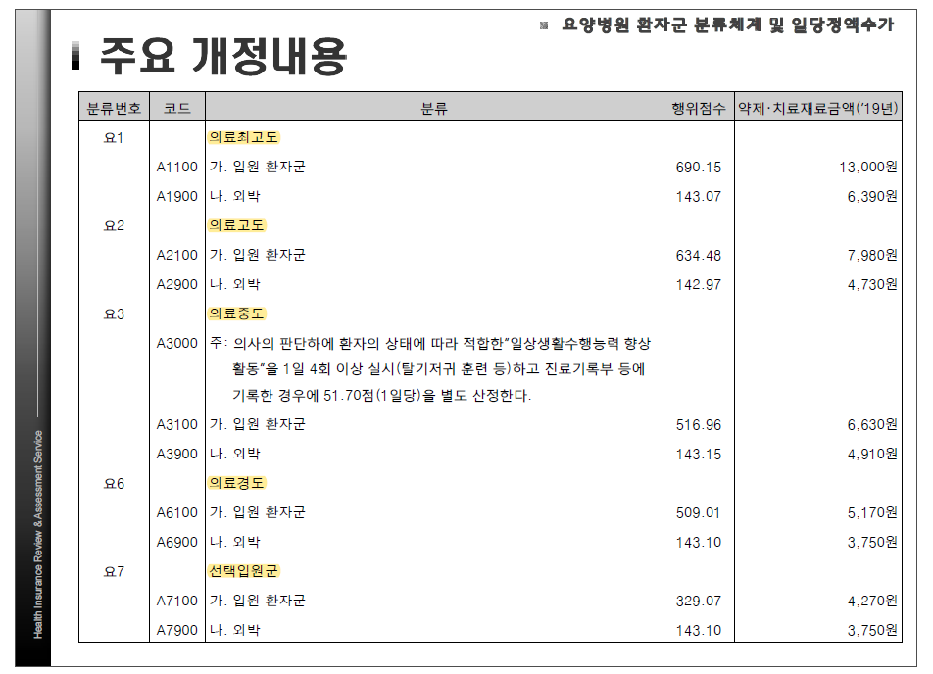
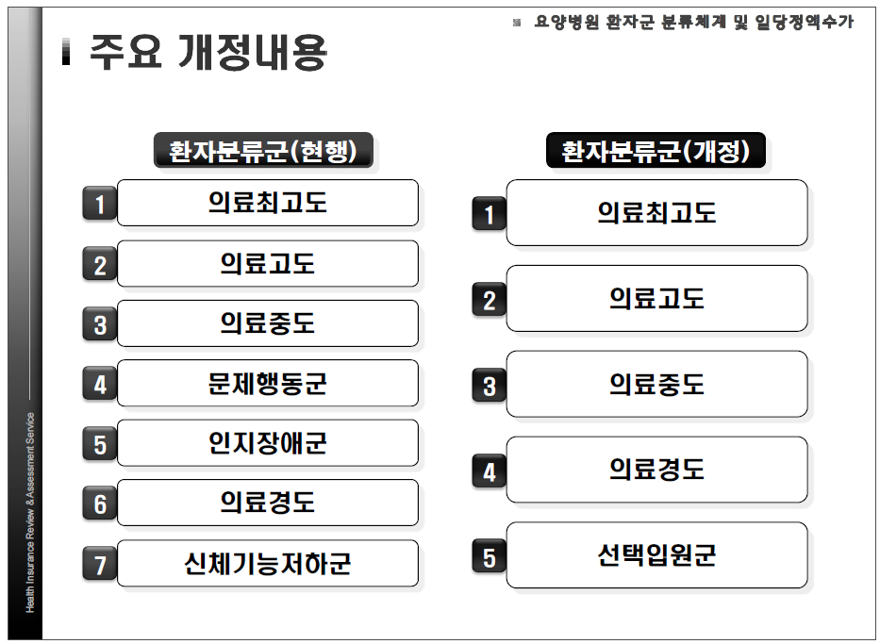
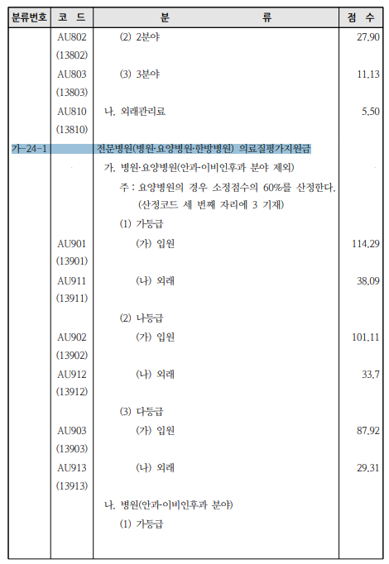
 | (2) 암진단 이후 2년 이내 받은 첫 서비스

